Use_Case
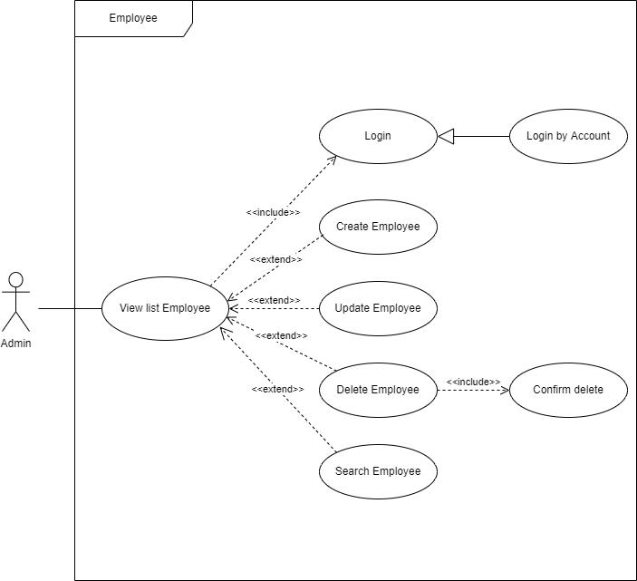
6.1.5 Màn hình thêm mới thông tin nhân viên
6.1.6 Màn hình chỉnh sửa thông tin nhân viên

Class_Diagram
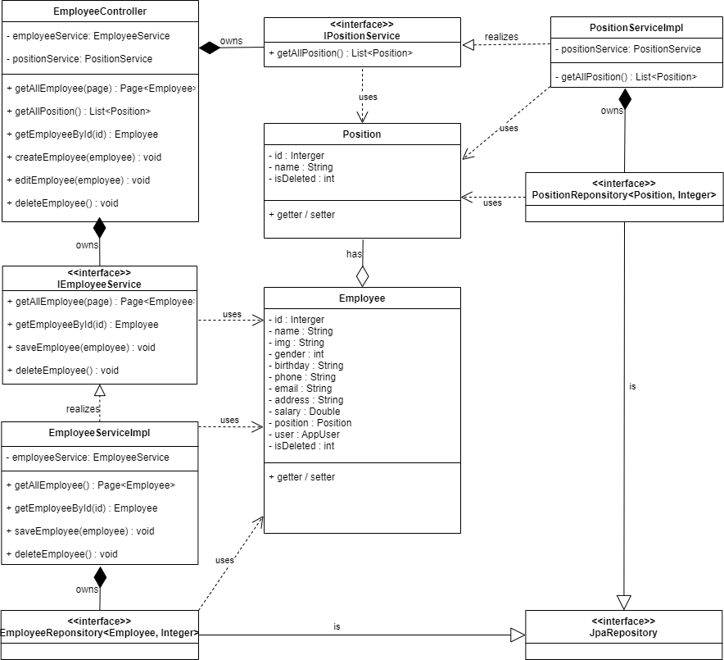
6.1.5 Màn hình thêm mới thông tin nhân viên
6.1.6 Màn hình chỉnh sửa thông tin nhân viên

Sequence_Diagram
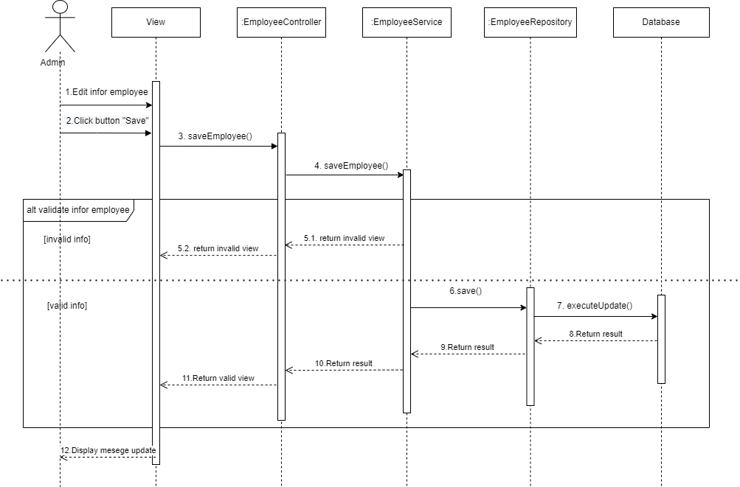
6.1.5 Màn hình thêm mới thông tin nhân viên



6.1.6 Màn hình chỉnh sửa thông tin nhân viên

